Readme
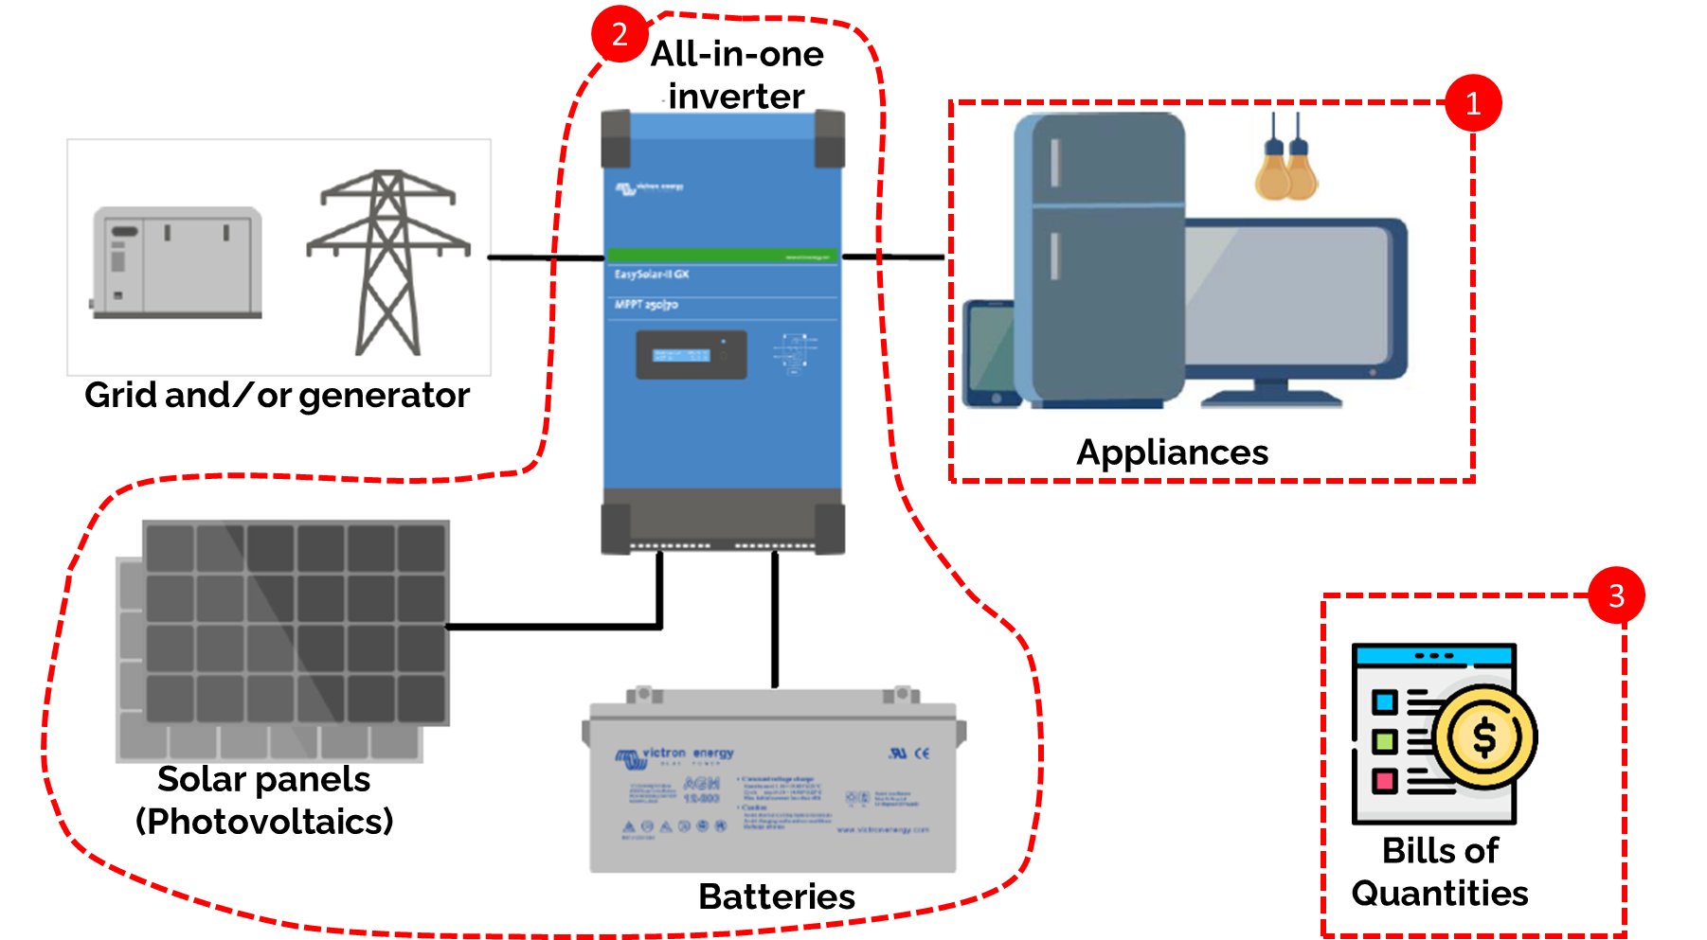
Calculation sheet: |  | Figure: overall representation of the system design. The tool needs to 1. have a detailed list of appliances, then 2. it will design a system based on the products user has chosen. And finally, 3. a Bills of Quantities will be estimated. (Source: Victron)
Objective: Pre-design system and verify component adequacies
Key outcomes: | 1. Fast pre-design of the system
 | 2. Budget estimation of the system
 | 3. List of detailed components
 | 4. Verify adequacy between the different components

Color code of the sheets:
Grey scale | Comments
Input | User must give a numerical value
Calculation | Automatic calculation
Output | Automatic calculation

Procedure:
1st: list in tab '1. Appliances' the ones that require backup and collect the following data:
- Name: | Short indicative name
- Model: | Indicated on the appliance
- Number of items: | example 10 Tube LED 40W
- Nominal power: | Usually indicated on the product
- Surge power: | Rarely indicated, can be find on internet based on the model Surge power is the peak demand power of the appliance (e.g. a printer requires an extra power at the beginning to heat the ink)
- Hours of use during day: | Ask users
- Hours of use during night: | Ask users |  | I./
We also advise to take a picture of each appliance with the brand name
2nd: design your system in '2. System'. Advanced options are available for each technology in tabs '2bis …'
Backup characteristic: | Characterise the backup required (hours of backup and lifetime)
Components choice: | Pick the inverter, panels & battery you want from existing lists (possibility to add new models to the lists
Recommended design: | Adjust the design to your need based on an automatic sizing
System adequacy: | Verify the adequacy between the different components (list of warnings)
If new componetnt must be added to the list, we advise to have the review of an expert.
3rd: BoQ is generated automatically with the products selected. The BoQ accounts for ligthning arrestor and electricity adaptation. User is free to adapt the BoQ based on the exact needs. Some information must be indicated manually (see the following)
Inverters | You can breakdown the inverter you want based on the power range and market availability
Electricity adaptation | Indicate the electrical adaptation required for the buildings (sockets, switches & lights).

Authorship & Licence
This tool was developed by:
Gauthier Limpens
This model has been designed for Uganda case stydt and for small hybrid (solar-utility) system (<25kW), where the utility is not realiable (autnomy represents shortage).
It was developed in a open-science spirit. The tool cannot be sold.

License:
The tool is under the Apache 2.0 License (available here : https://www.apache.org/licenses/LICENSE-2.0 )

Source:
This tool is inspired from the work of Victron & System Advisor Model (NREL (USA))

2. System
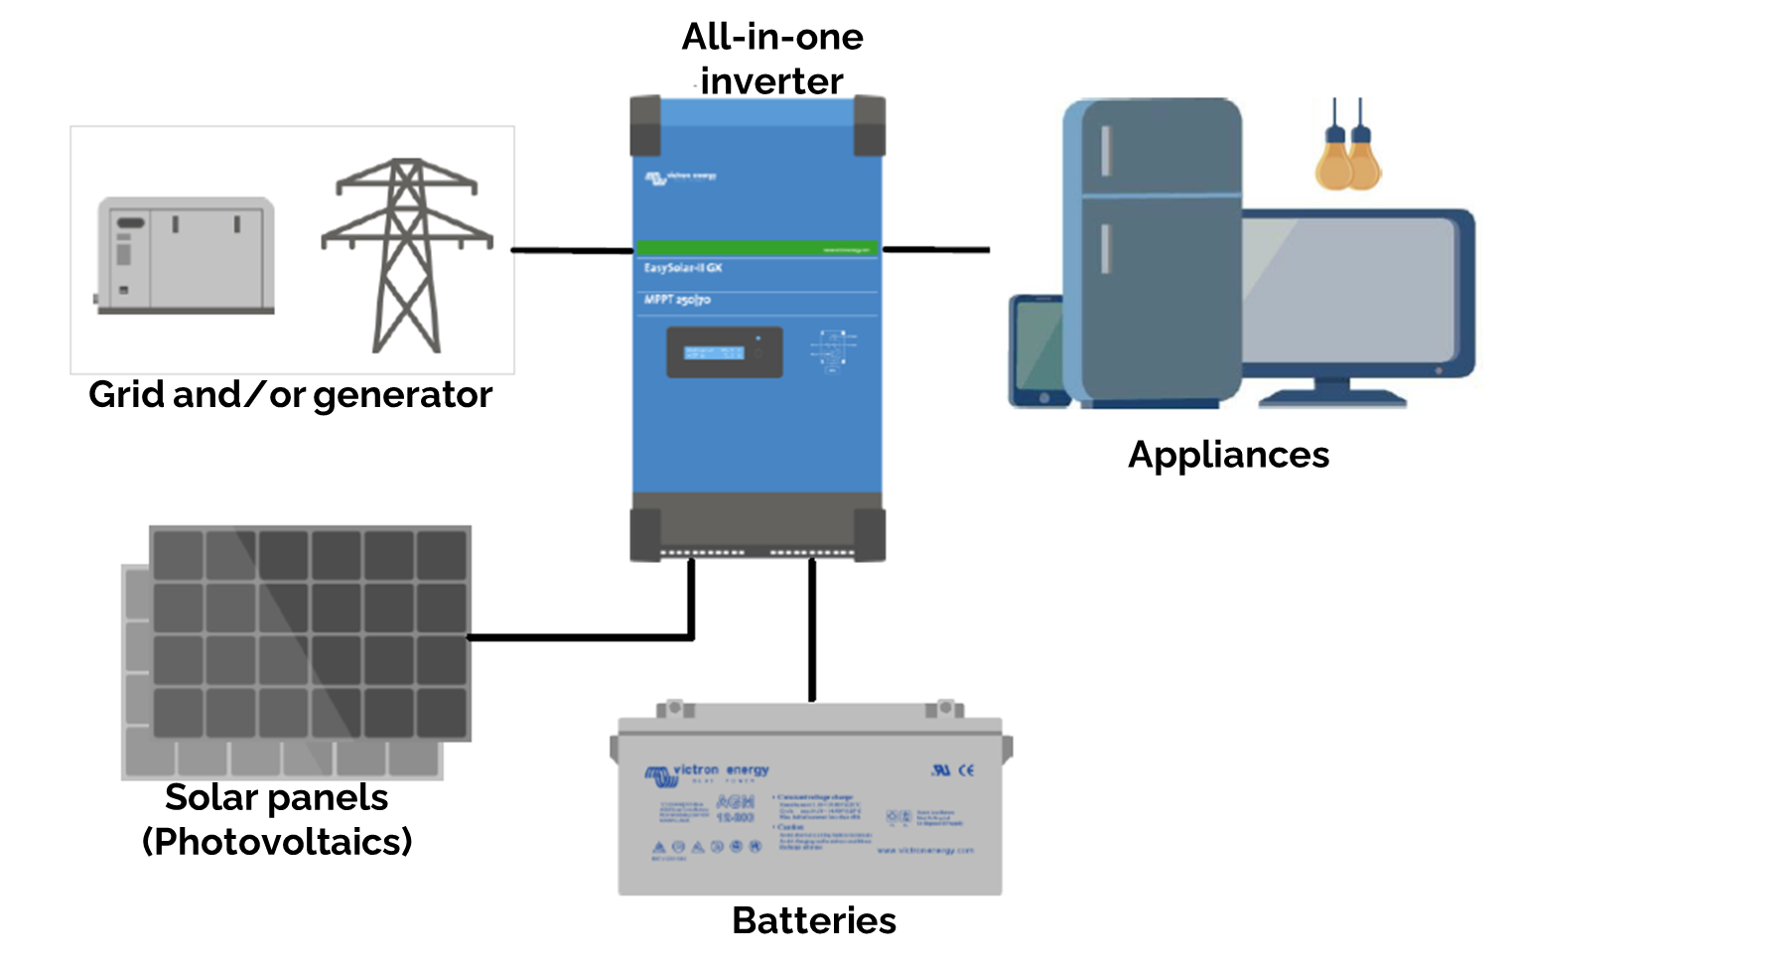
System design |  |  |  |  |  | Schematic representation of the system:
INPUT:
Backup characteristic
Time when backup must be available. It should be between 1 and 48 hours.
This is case specific and should be estimate with the user based on their needs.
Hours of autonomy | 8 | [hours]
Occurrence of shortage | 7 | [times per week]
Battery lifetime | 8 | [years]
Components choice (chose from the lists)
Panel type | risen RSM150-8-485M |  | New panel can be implemented in 'Panels' tab
Battery type | Rita DG12-200 |  | New battery can be implemented in 'Battery' tab
Hybrid Inverter type | Raggie RG-MH5500W Plus |  | New Hybrid inverter can be implemented in 'Hyb. Inverter' tab

DESIGN OUTPUT (results):
Recommended design (based on 1. Appliances & components chosen)
Inverter-demand-utility
recommended number | 3 | Inverter
User choice: | 3
Inverter-PV
Recommended number of pannel | 32.4 | Panels
Recommended number of pannel per inverter | 11.0
Design per inverter, user choice: | 12
Max in series: | 9
In series | 6 |  | ok
In parallel | 2 |  | ok
Total panels for system | 36
Inverter-batteries
recommended number | 14.8 | Batteries
User choice | 16
recommended Voltage | 48 | Volts
System voltage | 48
in series | 4 | Batteries
in parallel | 4 |  | ok
Expected autonomy | 8.7 | hours
Expected lifetime (at 25°C & respected DoD): | 4 | Years

Check system adequacy:
address carefully the comments. Red is a design error, orange is a data comment.
Inverter-demand-utility |  |  | Inverter-panels |  | Inverter-batteries
Comment | This tool is preferred for 1 inverter design. Consider using a more powerful inverter. Otherwise, use inverters in parallel (this requires good installation skills). |  | Vmin ok? | Ok | System voltage | Ok
DC coupling | High power system. Consider a AC-coupling system |  | Vstart ok? | Ok | System power | Ok
 |  |  | Vmax ok? | Ok | System surge power | Ok
 |  |  | Imax ok? | Ok | System current check | Ok
 |  |  | Pmax ok? | Ok | Lifetime | Number of cycles insufficient to ensure correct lifetime. Advice: decrease Depth of Discharge, chose another battery
 |  |  |  |  | Battery in parallel | Too many batteries in parallel, consider using 2V batteries or increase system voltage

Comment: | 0 |  | Comment | 0 | Comment: | 0

 |  | hours

2bis. Batteries
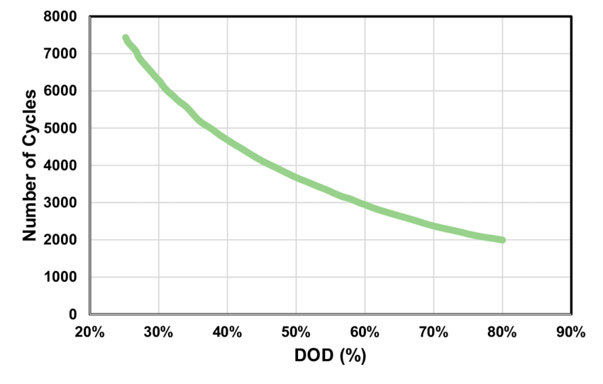
Batteries (advanced)
Input |  |  | Comments |  |  |  |  |  |  |  |  |  |  |  | Number of cycles for different Depth of Discharge (DoD)
Hours of autonomy | 8 | [hours] | Battery is sized to support x hours of autonomy
Average power | 2184 | [Watt] | Average power to be supplied
Daily use | 53208 | [Wh]
Battery type | Lead Acid Gel/VRLA | [-]
Depth of Discharge | 50% | [%] | Maximum capacity of battery used (for lead battery, this dictate the lifetime)
Charge current (advised) | 10% | [%/h] | Advised charge current. 10h means a charge in 10h
Charge current (max) | 20% | [%/h] | Advised discharge current. 10h means a charge in 10h
Discharge current | 10% | [%/h] |  |  |  |  | Standard value by battery technology (from MARGE):
Number of cycles | 1500 | [-] |  |  |  |  |  | DOD max | Charging Rate max | Charging Rate recommanded | number of cycles, at the recommended DOD (25°C)
Round trip efficiency | 85% | [%] | - |  |  |  | Lead Acid Gel/VRLA | 50% | 20% | 10% | 1,500
Number of cycles per year | 357 | [cycles] | Default 150 for grid connected system, 365 otherwise |  |  |  | Lead Acid OPZV/S | 50% | 20% | 10% | 3,000
 |  |  |  |  |  |  | Lithium ion | 80% | 100% | 50% | 6,000
Battery properties |  |  | Comments: |  |  |  | Sodium | 80% | 20% | 20% | 4,500
Voltage | 12 | [Volt] | Rated battery voltage
Battery type | Lead Acid Gel/VRLA | [-] | Type of battery |  |  |  | Good practices on battery voltage system (from MARGE):
Capacity | 200 | [Amper-hours] | Capacity of battery |  |  |  | PV size [Wp] |  | Voltage system
Advised (dis)-charge time | 10 | hours |  |  |  |  | min | max | [V] |  |  |  |  |  | Source : https://www.researchgate.net/publication/333988217/figure/fig3/AS:773483957063680@1561424354034/The-number-of-cycles-of-the-battery-versus-the-depth-of-discharge-DOD-DOD-1-state.png
Power charge (advised) | 260.31654938 | [Watt] | Power to charge battery in 5 hours |  |  |  | 0 | 250 | 12 |  |  |  | Default Voltage value for different technologies:
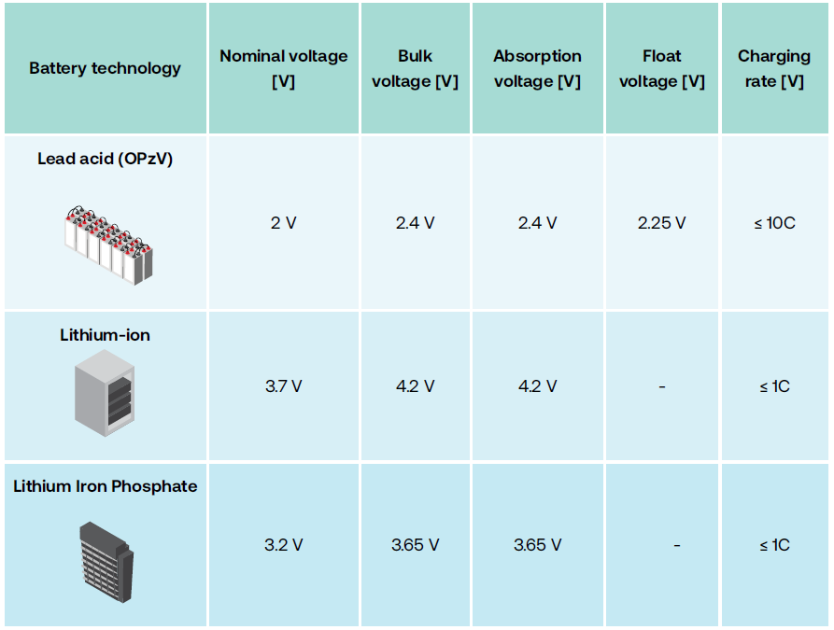
Power discharge (1CA) | 221.26906698 | [Watt] | Power to discharge battery in 5 hours |  |  |  | 250 | 2500 | 24 |  |  |  |  | Charging voltage & current stages:
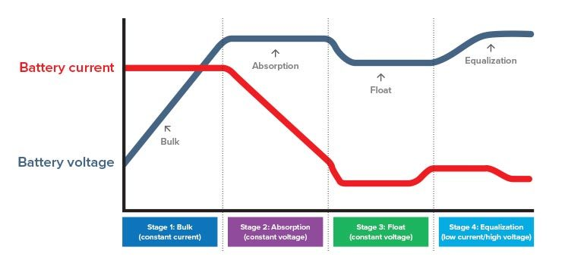
Surge (max 5s) | 442.53813395 | [Watt] | Maximum Surge power output |  |  |  | 2500 | 15000 | 48
Cycles (50% DoD) | 1500 | [cycles] | Number of cycles (see 3rd image) |  |  |  |  |  | Higher than 48V is not recommended
Comment | 0

Result |  |  | Comments:
Number of battery (power based) | 8.6 | Items | Number of batteries required to deliver a power high enough for the demand
Number of battery (energy based) | 14.8 | Items | Number of batteries to have enough energy to supply hours of autonomy
Voltage advised | 48.0 | Volts | Voltage advised based on the system power
Number of years of use | 4.2 | Years | Number of years where the system can be used at 25°C. This number can be halved if temperature is higher.
 |  |  |  |  |  |  |  |  |  |  |  |  | Source : PV MINI-GRID INSTALLATION Dos & Don’ts | Source: https://www.dolphin-charger.com/media/global/news/bulletins/current-vs-voltage.jpg

Database Batteries |  |  |  |  | Database available in tool System Advisory Model 2021.12.2 https://sam.nrel.gov/
 | Manufacturer | Model | Type | V | Ah | V_min | V_max | V_float | Capacity [hours] | Surge current | Cycles at 50 DoD | Datasheet | Comment
Vision CG12-200XA | Vision | CG12-200XA | Lead Acid Gel/VRLA | 12 | 200 | 11.6 | 12.8 | 12.4 | 10 | 1000 | 600 | CG12-200XA | No confident on the data
Victron GEL 24 OPzV 3000 turbular plate 2V cells battery | Victron | GEL 24 OPzV 3000 turbular plate 2V cells battery | Lead Acid OPZV/S | 2 | 1000 |  |  |  |  |  | 2500 | https://www.europe-solarstore.com/victron-gel-24-opzv-3000-turbular-plate-2v-cells-battery.html
Rita DG12-200 | Rita | DG12-200 | Lead Acid Gel/VRLA | 12 | 200 | 11.58 | 12.9 | 13.7 | 10 | 300 | 1400 | https://www.ritarpower.com/uploads/ueditor/spec/DG12-200.pdf

